KUSH
Choose box page |  | A New page

 | New page - show three boxes - same thing we have on the home page
 | Show all categories beneath
 | Below all the category names (Eg. Dark Roasts, Decaffinated, Espresso etc.)., it will have a row for Best Selling products.

Product page
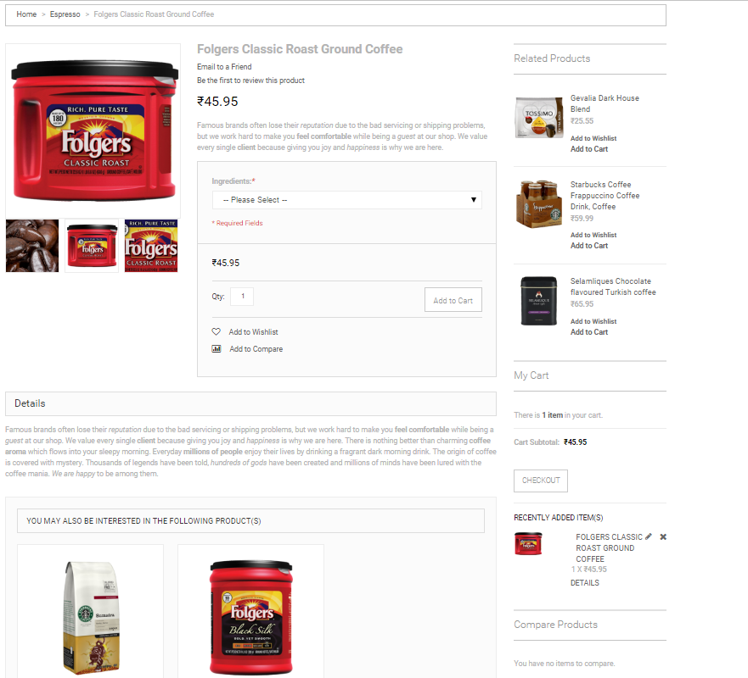
 | Side bar - My Cart on top
 | Side bar - Best Sellers below my cart

 | Sidebar - Change text of My Cart

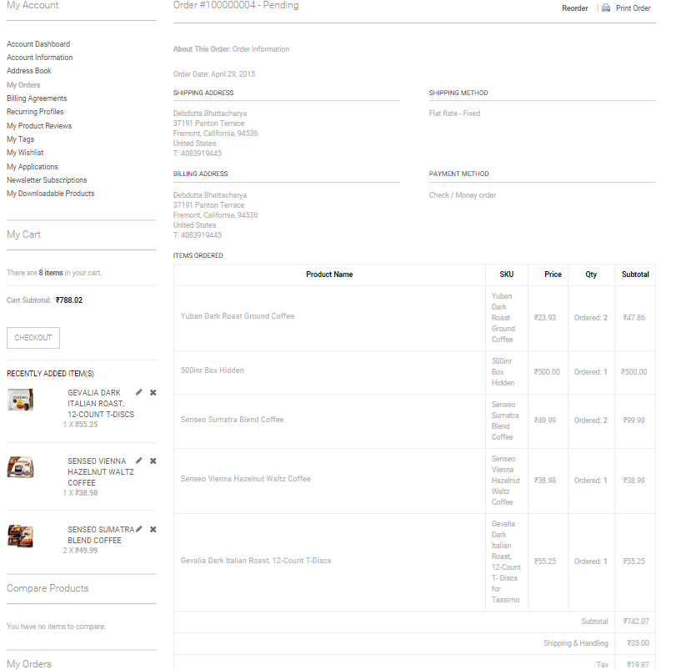
My Orders - View order

 | Hide the box here - I can see 500Rs box
 | Remove 'SKU', 'Price', 'Subtotal' columns

 | Can we show - '500 inr box' at top, and not show any Qty for that?

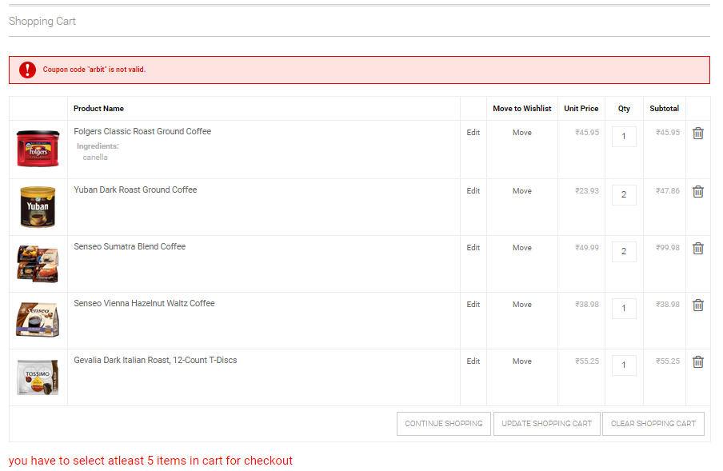
Shopping cart page - KUSH
 | Display error message in the red error format - If products are less or more
 | Can we display extra buttons depending on that?

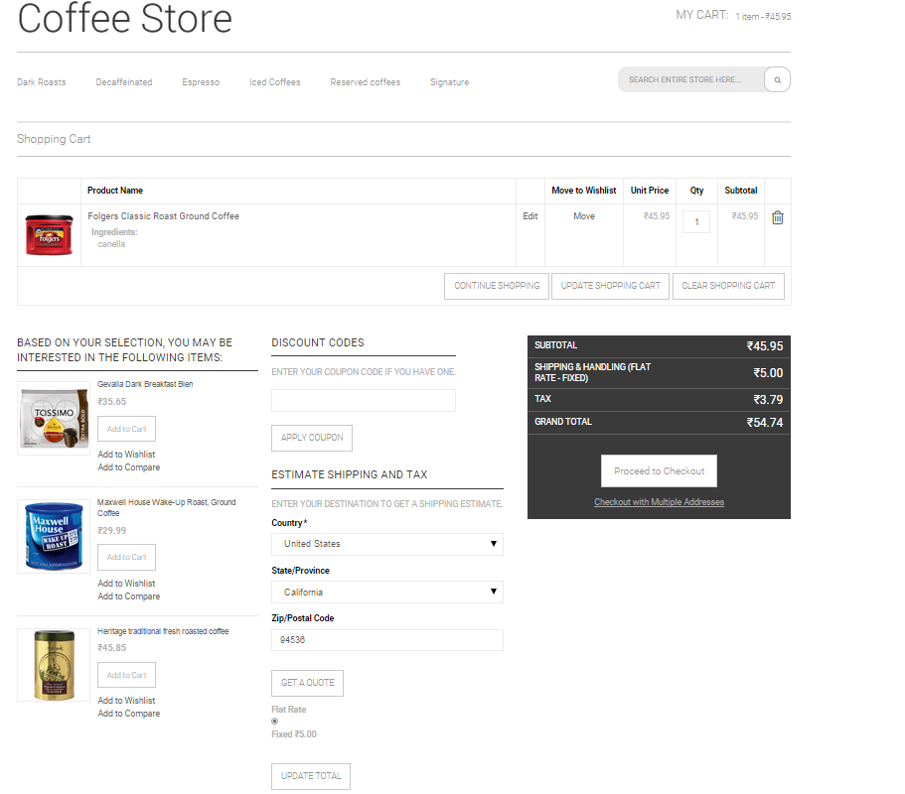

 | Message above products
If less products chosen - | You have chosen 'Regular Box'. Your box currently
 |  | contains 5 products. Please select 1 more to checkout'

If more products chosen - |  | You have chosen 'Regular Box'. Your box currently contains 10 products.
 |  | Please choose 6 products or UPGRADE YOUR BOX

